Zeichnungen & Dimensionen
Neue Lieferspulen Huber+Suhner Niederfrequenz
Zeichnungen & Dimensionen

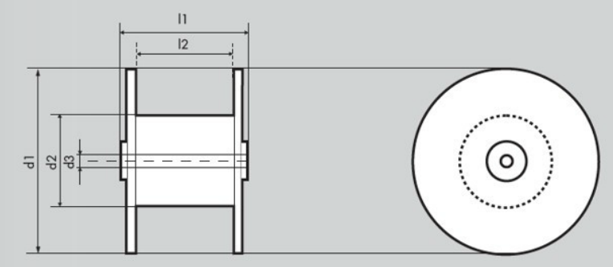
 |  |  |  | Mass | Beschreibung | Masseinheit
 |  |  |  | d1 | Outer Flange Diameter | mm
 |  |  |  | d2 | Core Diameter | mm
 |  |  |  | d3 | Drilling Hole Diameter | mm
 |  |  |  | L1 | Total Width / Spool Height | mm
 |  |  |  | L2 | Core Width | mm

 | HS150 | HS151 | HS200 | HS400 | HS401 | HS600 | HS601 | HS800 | HS1200
Neue Spulen | 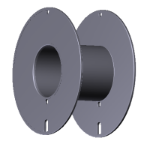 | 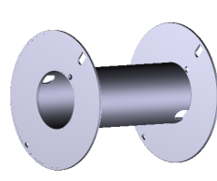 | 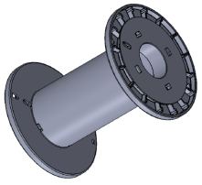 | 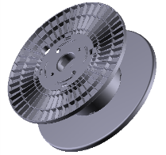 | 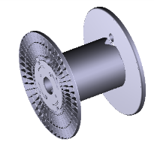 | 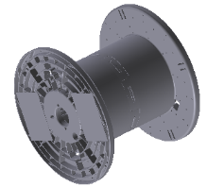 | 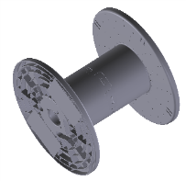 | 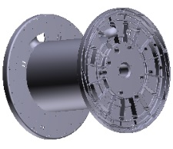 | 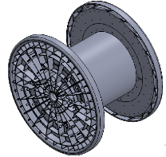
Material | PS | PS | PS | PP | PP | PP | PP | PP | PP
d1 [mm] | 150 | 150 | 195 | 395 | 395 | 595 | 595 | 795 | 1190
d2 [mm] | 65 | 65 | 100 | 180 | 180 | 350 | 250 | 450 | 600
d3 [mm] | 60 | 60 | 60 | 60 | 60 | 80 | 80 | 80 | 80
L1 [mm] | 76 | 166 | 250 | 185 | 280 | 500 | 500 | 750 | 790
L2 [mm] | 70 | 160 | 210 | 145 | 240 | 430 | 430 | 620 | 700

 | No. 6 | No. 7 | DIN250 | L-355 | L-450 / L-500 | LHL710 | LHL710 | LHL900 | LHL1050
Alte Spulen | 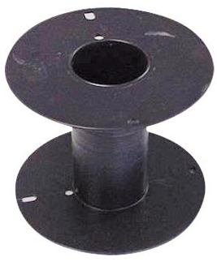 | 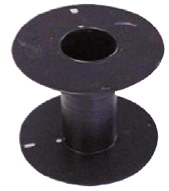 | 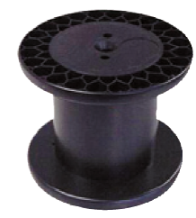 | 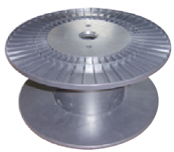 |  | 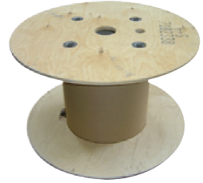 |  | 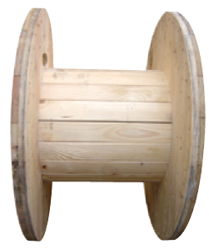
Material | PS | PS | PS | PS | Plywood | Plywood | Plywood | Wood | Wood
d1 [mm] | 140 | 170 | 250 | 355 | 450 / 500 | 710 | 710 | 900 | 1050
d2 [mm] | 65 | 65 | 160 | 200 | 200 / 250 | 360 | 360 | 450 | 550
d3 [mm] | 60 | 60 | 22 | 36 | 50 / 50 | 82 | 82 | 82 | 82
L1 [mm] | 106 | 135 | 200 | 160 | 244 / 321 | 430 | 430 | 545 | 698
L2 [mm] | 100 | 130 | 160 | 150 | 228 / 305 | 400 | 400 | 450 | 600

